UI03
1
Status | Listed

2
Property
Atten: Builders, Renovator And Investor,.Rare Prime North Leaside South Fronting Detached Bungalow On Desirable 29.5 X 135 Ft Lot With Private Drive. Northlea French Immersion, Steps To Shops, Restaurants, Future L R T And Much More. Quiet Non Thru Street Between Sutherland/Laird, Fabulous Location. First Time Buyers, Downsizers, Live In, Top Up Or Build Your Dream Home In One Of The Most Desirable Locations In Toronto. Waiting For Permit , Plan Are Avaible**** EXTRAS **** All Existing Elf's, Fridge, Stove, Washer, Dryer, Oil Burner & Equip, Water Tank (R)
PROPERTY SUMMARY
4
3
Property Type | Price
House | $810,000 $850,000 (-40,000)

5
6
Year Built | Address
2000 | 121 Eglinton Ave.E, Toronto, ON

9
10
FINANCIAL
Taxes | Maintenance
$3,400 | N/A

7
8
FEATURES
Bedroms | Bathrooms
3 | 2

11
12
Parking | Locker
2 | N/A

13
Rooms

Main level
Living room | 10.498691 ft x 17.125983 ft
Dining room | 8.464566 ft x 11.220475 ft
Kitchen | 8.005250 ft x 12.040683 ft

Second level
Master bedroom
Bedroom 2 | 10.958008 ft x 12.303150 ft
Bedroom 3 | 8.562991 ft x 12.762466 ft
 | 8.136483 ft x 9.416008 ft
Basement
Recreational, Games room | 14.206033 ft x 16.305775 ft
18
Kitchen | 7.808400 ft x 8.727033 ft
Utility room | 9.908133 ft x 6.167975 ft
Bathroom | 9.645666 ft x 5.183725 ft

14
Agent | 123456

PHOTOS
15
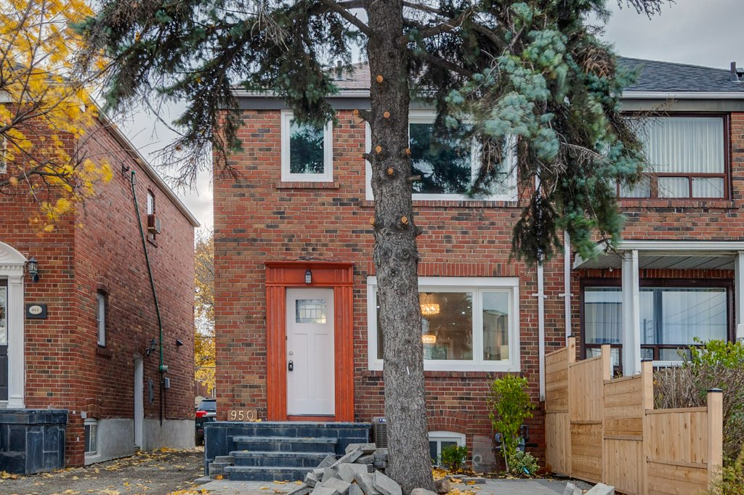

 |  |  |  |  |  |  |  |  |  | Indicate as appropriate
Comp ID | Component Label | Component Type | Data Element Reference | Displayed Y / N / <Condition> | Enabled Y / N / <Condition> | Default Value | Presentation Format | User Action | Navigation/UI Response | Sort | Filter | Help | Tab Order
1 | Status | Data Display | DE016-Listing Status | Y | N | N/A | N/A | N/A | N/A
2 | Property | Data Entry | DE11-Property Description | Y | Y (if BR02-Determine Listing Permissions Allows) |  | Text | Input/Visualize | N/A
3 | Property type | Data Entry | DE01-Property Type | Y | Y (if BR02-Determine Listing Permissions Allows) |  | Condo | Input/Visualize | N/A
4 | Price | Data Entry | DE05-Original Price and DE06-Updated Price | Y | Y (if BR02-Determine Listing Permissions Allows) |  | $123,123.12 | Input/Visualize | N/A
5 | Year Built | Data Entry | DE04-Year Built | Y | Y (if BR02-Determine Listing Permissions Allows) |  | 1999 | Input/Visualize | N/A
6 | Address | Data Entry | DE14-Property Address | Y | Y (if BR02-Determine Listing Permissions Allows) |  | 123 Street Name, City, Province, XXX YYY | Input/Visualize | N/A
7 | Bedrooms | Data Entry | DE02-Number of Bedrooms | Y | Y (if BR02-Determine Listing Permissions Allows) |  | 2 | Input/Visualize | N/A
8 | Bathrooms | Data Entry | DE03-Number of Bathrooms | Y | Y (if BR02-Determine Listing Permissions Allows) |  | 2 | Input/Visualize | N/A
9 | Taxes | Data Entry | DE07-Annual Taxes | Y | Y (if BR02-Determine Listing Permissions Allows) |  | $12,123,12 | Input/Visualize | N/A
10 | Maintenance | Data Entry | DE08-Annual Maintenance Fee | Y | Y (if BR02-Determine Listing Permissions Allows) |  | $1,123 | Input/Visualize | N/A
11 | Parking | Data Entry | DE09-Parking | Y | Y (if BR02-Determine Listing Permissions Allows) |  | 1 | Input/Visualize | N/A
12 | Locker | Data Entry | DE10-Locker | Y | Y (if BR02-Determine Listing Permissions Allows) |  | 1 | Input/Visualize | N/A
13 | Rooms | Data Entry | DE12-Rooms Sizes | Y | Y (if BR02-Determine Listing Permissions Allows) |  | Living Room: 18’X20’ Bedroom 1: 15’X20’ | Input/Visualize | N/A
14 | Agent | Data Entry | DE13-Listing Agent | Y | Y (if BR02-Determine Listing Permissions Allows) |  | 123456 | Input/Visualize | N/A
15 | Photos | Data Entry

